MUGA
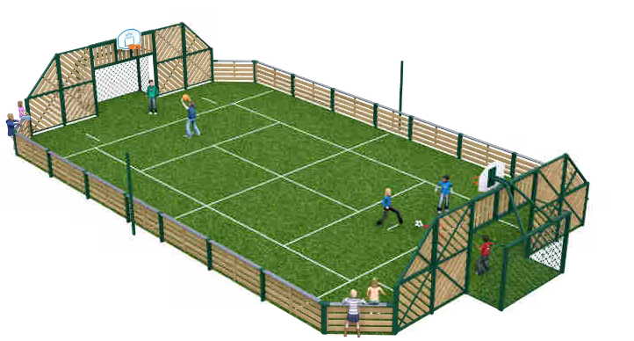
ESTIMATE 3 - MULTIPLE USE GAMES AREA
(BASED ON VERBAL ESTIMATED UNIT PRICES RECEIVED FROM PLAYDALE) |  | "First" Design

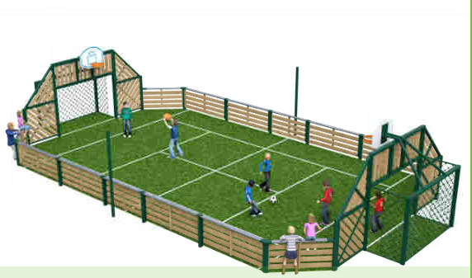
"First" Design - 9m x 18m | Unit Price
Frame work | £17,700
Delivery & Installation | £6,500
Ground works - grass surface | £9,000
x 2 metal goals | £3,000
x 2 basket ball hoops | £1,600
TOTAL | £37,800

"Classic" Design - 12m x 22m | Unit Price
Frame Work | £22,500
Delivery & Installation | £8,000
Other prices as above (although slightly more for the surface and goals)

 |  | "Classic" Design

